Sheet1
FASTPIPE RIGID SYSTEM |  |  |  |  |  | NAME | TIER 2 DIST PRICING
www.rapidairproducts.com |  |  |  |  |  | DATE | 2021-02-01
info@rapidairproducts.com |  |  |  |  |  | QUOTE FILE NAME | ANDREW CASSESE REGAL PLUMBING & Heating CO
PH 800-954-3310 |  |  |  | ENTER | DISCOUNT MULT |  | 0.65
 |  | LIST | DIST | QTY |  | Pipe
 | Part number | PRICE | COST | HERE | TOTAL | SIZE
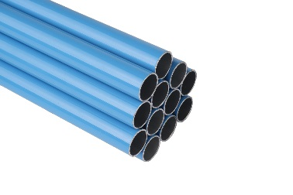
 | F1000 | $34.99 | $22.74 | 61 | $1,387.14 | 3/4" | Blue Aluminum Pipe (19ft 8inch) each 20mm od
 | F2000 | $54.99 | $35.74 | 119 | $4,253.06 | 1" | Blue Aluminum Pipe (19ft 8inch) each 25mm od
 | F4000 | $79.99 | $51.99 |  | $0.00 | 1 1/2" | Blue Aluminum Pipe (19ft 8inch) each 40mm od
 | F5000 | $104.99 | $68.24 | 22 | $1,501.28 | 2" | Blue Aluminum Pipe (19ft 8inch) each 50mm od
 | FI7000 | $179.99 | $116.99 | 127 | $14,857.73 | 3" | Blue Aluminum Pipe (19ft 8inch) each 80mm od

 | F1863 | $17.99 | $11.69 |  | $0.00 | 3/4" | Blue Aluminum Pipe (7ft 6inch) each 20mm od
 | F2863 | $26.99 | $17.54 |  | $0.00 | 1" | Blue Aluminum Pipe (7ft 6inch) each 25mm od
 | F4863 | $43.59 | $28.33 |  | $0.00 | 1 1/2" | Blue Aluminum Pipe (7ft 6inch) each 40mm od

 | F1000GREEN | $34.99 | $22.74 |  | $0.00 | 3/4" | Green Aluminum Pipe (19ft 8inch) each 20mm od
 | F2000GREEN | $54.99 | $35.74 |  | $0.00 | 1" | Green Aluminum Pipe (19ft 8inch) each 25mm od
 | F4000GREEN | $79.99 | $51.99 |  | $0.00 | 1 1/2" | Green Aluminum Pipe (19ft 8inch) each 40mm od
 | F5000GREEN | $104.99 | $68.24 |  | $0.00 | 2" | Green Aluminum Pipe (19ft 8inch) each 50mm od
 | FI8000 | $299.99 | $194.99 |  | $0.00 | 4" | Blue Aluminum Pipe (19ft 8inch) each 102mm od
 | FI9000 | $599.99 | $389.99 |  | $0.00 | 6" | Blue Aluminum Pipe (19ft 8inch) each 153mm od
PIPE CLIP | MOUNTING -SUPPORT PIPE EVERY 10FT AND ONE SIDE OF FITTING
 | F1022-10 | $16.34 | $10.62 | 26 | $276.12 | 3/4" | Pipe Clip 10 PACK thru hole, or use 5/16 threaded rod
 | F2022-10 | $19.61 | $12.75 |  | $0.00 | 1" | Pipe Clip 10 PACK thru hole, or use 5/16 threaded rod
 | F4022-10 | $30.51 | $19.83 |  | $0.00 | 1 1/2" | Pipe Clip 10 PACK thru hole, or use 5/16 threaded rod
 | F5022-10 | $38.14 | $24.79 |  | $0.00 | 2" | Pipe Clip 10 PACK thru hole, or use 5/16 threaded rod
 | FI7022 | $5.99 | $3.89 |  | $0.00 | 3" | Pipe Clip EACH thru hole, or use 3/8 threaded rod

THREADED ROD | F0028 | $6.10 | $3.97 |  | $0.00 |  | 3/8-16 THREADED ROD, 6 FT LONG
 | F0029 | $9.80 | $6.37 | 8 | $50.96 |  | 3/8-16 HEX NUT, 100/BAG

 | F0018 | $3.37 | $2.19 | 400 | $876.00 |  | Beam Clamp, thru hole, 5/16 or 3/8 threaded rod
BEAM CLAMP | F0019 | $1.30 | $0.85 | 235 | $199.75 | 3/4-1" | Loop Hanger, accepts 3/8 threaded rod, for 1" or 3/4"
 | F0020 | $1.63 | $1.06 |  | $0.00 | 1 1/2" | Loop Hanger, accepts 3/8 threaded rod
 | F0024 | $1.85 | $1.20 | 44 | $52.80 | 2" | Loop Hanger, accepts 3/8 threaded rod
HANGER | FI0030 | $2.72 | $1.77 | 120 | $212.40 | 3" | Loop Hanger, accepts 3/8 threaded rod
 | FI0031 | $4.35 | $2.83 |  | $0.00 | 4" | Loop Hanger, accepts 3/8 threaded rod
 | FI0032 | $6.53 | $4.24 |  | $0.00 | 6" | Loop Hanger, accepts 3/8 threaded rod

 | F0017 | $2.39 | $1.55 |  | $0.00 | 3/4" | Clamp for 1-5/8" unistrut, each
 | F0022 | $2.72 | $1.77 |  | $0.00 | 1" | Clamp for 1-5/8" unistrut, each
STRUT CLAMP | F0023 | $3.37 | $2.19 |  | $0.00 | 1 1/2" | Clamp for 1-5/8" unistrut, each
 | F0025 | $4.25 | $2.76 |  | $0.00 | 2" | Clamp for 1-5/8" unistrut, each
 | FI0028 | $4.57 | $2.97 |  | $0.00 | 3" | Clamp for 1-5/8" unistrut, each
 | FI0035 | $7.30 | $4.75 |  | $0.00 | 4" | Clamp for 1-5/8" unistrut, each
 | FI0040 | $11.98 | $7.79 |  | $0.00 | 6" | Clamp for 1-5/8" unistrut, each
CANTILEVER ARM | F0021 | $15.80 | $10.27 |  | $0.00 |  | Cantilever Arm, 12", 1-5/8 unistrut
 |  |  |  |  |  |  | UNIONS
 | F1002 | $11.98 | $7.79 | 105 | $817.95 | 3/4" | Union
 | F2002 | $19.18 | $12.47 |  | $0.00 | 1" | Union
 | F4002 | $30.51 | $19.83 |  | $0.00 | 1 1/2" | Union
 | F5002 | $37.05 | $24.08 | 10 | $240.80 | 2" | Union

 | FI7002 | $80.65 | $52.42 | 120 | $6,290.40 | 3" | Union

 | FI8002 | $87.19 | $56.67 |  | $0.00 | 4" | Union
 | FI9002 | $119.89 | $77.93 |  | $0.00 | 6" | Union

 | FI8002 | $87.19 | $56.67 | 0 | $0.00 | 4" | Union (calculated from fittings)
 | FI9002 | $119.89 | $77.93 | 0 | $0.00 | 6" | Union (calculated from fittings)

 | F2121 | $19.61 | $12.75 |  | $0.00 | 1" | Reduction Union 1" X 3/4"
 | F4221 | $29.42 | $19.12 |  | $0.00 | 1 1/2" | Reduction Union 1-1/2" X 1"
 | F5421 | $40.32 | $26.21 |  | $0.00 | 2" | Reduction Union 2" X 1-1/2"

 | FI9821 | $326.99 | $212.54 |  | $0.00 |  | Reduction Union 6" X 4"

 |  |  |  |  |  |  | ELBOWS
 | F1003 | $13.07 | $8.50 | 42 | $357.00 | 3/4" | 90° Elbow
 | F2003 | $20.38 | $13.25 |  | $0.00 | 1" | 90° Elbow
 | F4003 | $31.60 | $20.54 |  | $0.00 | 1 1/2" | 90° Elbow
 | F5003 | $43.59 | $28.33 | 5 | $141.65 | 2" | 90° Elbow

 | FI7003 | $93.73 | $60.92 | 10 | $609.20 | 3" | 90° Elbow

 | FI8003 | $76.29 | $49.59 |  | $0.00 | 4" | 90° Elbow
 | FI9003 | $152.59 | $99.18 |  | $0.00 | 6" | 90° Elbow

 |  |  |  |  |  | 3/4" | for 45° Elbow in 3/4" , bend the pipe
 | F2004 | $20.70 | $13.46 |  | $0.00 | 1" | 45° Elbow
 | F4004 | $37.05 | $24.08 |  | $0.00 | 1-1/2" | 45° Elbow
 | F5004 | $49.04 | $31.88 |  | $0.00 | 2" | 45° Elbow

 | FI8004 | $76.29 | $49.59 |  | $0.00 | 4" | 45° Elbow
 | FI9004 | $152.59 | $99.18 |  | $0.00 | 6" | 45° Elbow

 | REDUCING ELBOW
 | F1073 | $26.06 | $16.94 |  | $0.00 | 3/4" | 90° Elbow X 1/4" FEMALE NPT
 | F1093 | $27.20 | $17.68 |  | $0.00 | 3/4" | 90° Elbow X 1/2" FEMALE NPT
 | F2073 | $32.60 | $21.19 |  | $0.00 | 1" | 90° Elbow X 1/4" FEMALE NPT
 | F2093 | $32.65 | $21.22 |  | $0.00 | 1" | 90° Elbow X 1/2" FEMALE NPT
 | F2083 | $32.69 | $21.25 |  | $0.00 | 1" | 90° Elbow X 3/4" FEMALE NPT
 |  |  |  |  |  |  | TEE FITTING
 | F1005 | $16.34 | $10.62 | 10 | $106.20 | 3/4" | Equal Tee
 | F2005 | $23.97 | $15.58 |  | $0.00 | 1" | Equal Tee
 | F4005 | $47.95 | $31.17 |  | $0.00 | 1 1/2" | Equal Tee
 | F5005 | $59.94 | $38.96 |  | $0.00 | 2" | Equal Tee

 | FI7005 | $126.43 | $82.18 | 8 | $657.44 | 3" | Equal Tee

 | FI8005 | $98.09 | $63.76 |  | $0.00 | 4" | Equal Tee
 | FI9005 | $217.99 | $141.69 |  | $0.00 | 6" | Equal Tee

 |  |  |  |  |  |  | CROSS FITTING--available March 2019
 | F1051 | $17.43 | $11.33 |  | $0.00 | 3/4" | Cross
 | F2051 | $27.24 | $17.71 |  | $0.00 | 1" | Cross
 | F4051 | $54.49 | $35.42 |  | $0.00 | 1 1/2" | Cross
 | F5051 | $70.84 | $46.05 |  | $0.00 | 2" | Cross
 |  |  |  |  |  |  | REDUCING ADAPTER
 | FI8221 | $54.49 | $35.42 |  | $0.00 | 4" | Union Plug x 2" Female NPT
 | FI8321 | $55.58 | $36.13 |  | $0.00 | 4" | Union Plug x 3" Female NPT

 | FI9221 | $108.99 | $70.84 |  | $0.00 | 6" | Union Plug x 2" Female NPT
 | FI9321 | $111.17 | $72.26 |  | $0.00 | 6" | Union Plug x 3" Female NPT
 | REDUCING TEE MAIN PIPE DROP PIPE
 | F2107 | $23.97 | $15.58 |  | $0.00 | 1" | Reduction Tee 1 3/4"
 | F4206 | $45.77 | $29.75 |  | $0.00 | 1 1/2" | Reduction Tee 1-1/2" 3/4"
 | F4207 | $46.86 | $30.46 |  | $0.00 | 1 1/2" | Reduction Tee 1-1/2" 1"
 | F5206 | $58.85 | $38.25 |  | $0.00 | 2" | Reduction Tee 2" 3/4"
 | F5207 | $59.94 | $38.96 |  | $0.00 | 2" | Reduction Tee 2" 1"
 | REDUCING TEE MAIN PIPE DROP FEMALE NPT
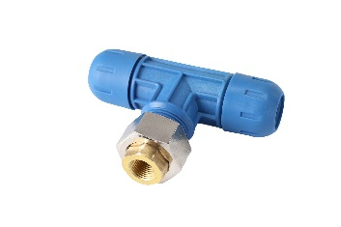
 | F1007 | $29.33 | $19.06 |  | $0.00 | 3/4" | Reduction Tee 3/4" 1/4" NPT
 | F1009 | $29.38 | $19.10 |  | $0.00 | 3/4" | Reduction Tee 3/4" 1/2" NPT
 | F2007 | $35.87 | $23.32 |  | $0.00 | 1" | Reduction Tee 1" 1/4" NPT
 | F2009 | $35.92 | $23.35 |  | $0.00 | 1" | Reduction Tee 1" 1/2" NPT
 | F2008 | $35.96 | $23.37 |  | $0.00 | 1" | Reduction Tee 1" 3/4" NPT
 | F4009 | $51.18 | $33.27 |  | $0.00 | 1 1/2" | Reduction Tee 1-1/2" 1/2" NPT
 | F4008 | $51.22 | $33.29 |  | $0.00 | 1 1/2" | Reduction Tee 1-1/2" 3/4" NPT
 | F5009 | $58.81 | $38.23 |  | $0.00 | 2" | Reduction Tee 2" 1/2" NPT
 | F5008 | $58.85 | $38.25 |  | $0.00 | 2" | Reduction Tee 2" 3/4" NPT

 | FI7509 | $130.79 | $85.01 | 2 | $170.02 | 3" | Reduction Tee 3" 2" NPT
 |  | `

 | INLINE VALVES
 | F1111 | $54.49 | $35.42 |  | $0.00 | 3/4" | Valve Kit (ball valve + (2) threaded adapters
 | F2222 | $68.66 | $44.63 |  | $0.00 | 1" | Valve Kit (ball valve + (2) threaded adapters
 | F4444 | $147.14 | $95.64 |  | $0.00 | 1 1/2" | Valve Kit (ball valve + (2) threaded adapters
 | F5555 | $217.99 | $141.69 |  | $0.00 | 2" | Valve Kit (ball valve + (2) threaded adapters

 | FI7777 | $359.69 | $233.80 |  | $0.00 | 3" | Valve Kit (ball valve + (2) threaded adapters

 | FI8888 | $708.49 | $460.52 |  | $0.00 | 4" | Valve
 | FI9999 | $965.73 | $627.72 |  | $0.00 | 6" | Valve

 | SADDLE DROP MAIN PIPE DROP PIPE
 | F2210 | $28.33 | $18.41 |  | $0.00 | 1" | Saddle Drop 1" 1"
 | F4110 | $34.87 | $22.67 |  | $0.00 | 1 1/2" | Saddle Drop 1-1/2" 3/4"
 | F4210 | $34.98 | $22.74 |  | $0.00 | 1 1/2" | Saddle Drop 1-1/2" 1"
 | F5110 | $35.96 | $23.37 |  | $0.00 | 2" | Saddle Drop 2" 3/4"
 | F5210 | $36.07 | $23.45 |  | $0.00 | 2" | Saddle Drop 2" 1"

 | FI7110 | $46.86 | $30.46 | 45 | $1,370.70 | 3" | Saddle Drop 3" 3/4"
 | FI7210 | $46.97 | $30.53 |  | $0.00 | 3" | Saddle Drop 3" 1"

 | FI8312 | $76.29 | $49.59 |  | $0.00 | 4" | Saddle Drop 4" 1"
 | FI9312 | $87.19 | $56.67 |  | $0.00 | 6" | Saddle Drop 6" 1"
 | SADDLE DROP MAIN PIPE DROP FEMALE NPT
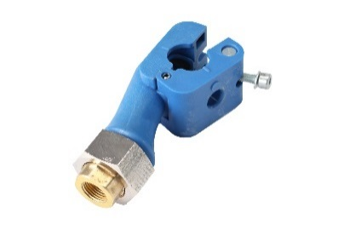
 | F2011 | $34.78 | $22.61 |  | $0.00 | 1" | Saddle Drop 1" 1/4" NPT
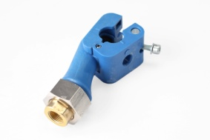
 | F2012 | $34.83 | $22.64 |  | $0.00 | 1" | Saddle Drop 1" 1/2" NPT
 | F2112 | $34.87 | $22.67 |  | $0.00 | 1" | Saddle Drop 1" 3/4" NPT
 | F4011 | $39.14 | $25.44 |  | $0.00 | 1 1/2" | Saddle Drop 1-1/2" 1/4" NPT
 | F4012 | $39.19 | $25.47 |  | $0.00 | 1 1/2" | Saddle Drop 1-1/2" 1/2" NPT
 | F4112 | $39.23 | $25.50 |  | $0.00 | 1 1/2" | Saddle Drop 1-1/2" 3/4" NPT
 | F5011 | $41.32 | $26.86 |  | $0.00 | 2" | Saddle Drop 2" 1/4" NPT
 | F5012 | $41.37 | $26.89 |  | $0.00 | 2" | Saddle Drop 2" 1/2" NPT
 | F5112 | $41.41 | $26.92 |  | $0.00 | 2" | Saddle Drop 2" 3/4" NPT

 | FI7012 | $47.86 | $31.11 |  | $0.00 | 3" | Saddle Drop 3" 1/2" NPT
 | FI7112 | $47.91 | $31.14 |  | $0.00 | 3" | Saddle Drop 3" 3/4" NPT
 | FI7312 | $47.95 | $31.17 |  | $0.00 | 3" | Saddle Drop 3" 1" NPT

 | FI8312 | $76.29 | $49.59 |  | $0.00 | 4" | Saddle Drop 4" 1" NPT
 | FI9312 | $87.19 | $56.67 |  | $0.00 | 6" | Saddle Drop 6" 1" NPT

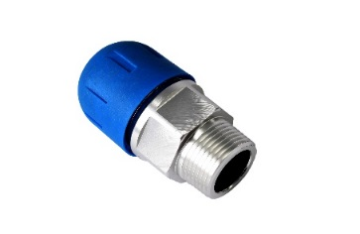
 | MALE THREADED ADAPTERS
 | F1018 | $18.48 | $12.01 |  | $0.00 | 3/4" | Threaded Male Adapter 1/2" Male NPT
 | F1118 | $18.52 | $12.04 |  | $0.00 | 3/4" | Threaded Male Adapter 3/4" Male NPT
 | F2018 | $23.88 | $15.52 |  | $0.00 | 1" | Threaded Male Adapter 1/2" Male NPT
 | F2118 | $23.93 | $15.55 |  | $0.00 | 1" | Threaded Male Adapter 3/4" Male NPT
 | F2218 | $23.97 | $15.58 |  | $0.00 | 1" | Threaded Male Adapter 1" Male NPT
 | F4218 | $43.55 | $28.31 |  | $0.00 | 1 1/2" | Threaded Male Adapter 1" Male NPT
 | F4418 | $43.59 | $28.33 |  | $0.00 | 1 1/2" | Threaded Male Adapter 1-1/2" Male NPT
 | F5418 | $49.00 | $31.85 |  | $0.00 | 2" | Threaded Male Adapter 1-1/2" Male NPT
 | F5518 | $49.04 | $31.88 | 2 | $63.76 | 2" | Threaded Male Adapter 2" Male NPT

 | FI7718 | $51.22 | $33.29 | 3 | $99.87 | 3" | Threaded Male Adapter 3" Male NPT

 | FEMALE THREADED ADAPTERS
 | F1120 | $20.70 | $13.46 |  | $0.00 | 3/4" | Threaded Female Adapter 3/4" female NPT
 | F2220 | $27.24 | $17.71 |  | $0.00 | 1" | Threaded Female Adapter 1" female NPT
 | F4420 | $46.86 | $30.46 |  | $0.00 | 1 1/2" | Threaded Female Adapter 1-1/2" female NPT

 | F1221 | $21.79 | $14.16 |  | $0.00 | 3/4" | Threaded Female Adapter 1/2" female NPT
 | F2221 | $28.29 | $18.39 |  | $0.00 | 1" | Threaded Female Adapter 1/2" female NPT
 | F2231 | $28.33 | $18.41 |  | $0.00 | 1" | Threaded Female Adapter 3/4" female NPT
 | F4231 | $30.51 | $19.83 |  | $0.00 | 1 1/2" | Threaded Female Adapter 3/4" female NPT
 | END CAP
 | F1006 | $21.79 | $14.16 |  | $0.00 | 3/4" | End Cap
 | F2006 | $29.42 | $19.12 |  | $0.00 | 1" | End Cap
 | F4006 | $37.05 | $24.08 |  | $0.00 | 1 1/2" | End Cap
 | F5006 | $52.31 | $34.00 |  | $0.00 | 2" | End Cap

 | FI7006 | $79.56 | $51.71 |  | $0.00 | 3" | End Cap

 | FI8006 | $98.09 | $63.76 |  | $0.00 | 4" | End Cap
 | FI9006 | $141.69 | $92.10 |  | $0.00 | 6" | End Cap

 | EXPANSION JOINTS
 | F0615 | $49.04 | $31.88 |  | $0.00 | 1" | Expansion Joint FEM x FEM NPT (2 F2218's NEEDED)
 | F0616 | $73.02 | $47.46 |  | $0.00 | 1 1/2" | Expansion Joint FEM x FEM NPT (2 F4418's NEEDED)
 | F0617 | $85.01 | $55.26 |  | $0.00 | 2" | Expansion Joint FEM x FEM NPT (2 F5518's NEEDED)
 | F0619 | $152.59 | $99.18 |  | $0.00 | 3" | Expansion Joint FEM x FEM NPT (2 F7718's NEEDED)

 | F0621 | $108.99 | $70.84 |  | $0.00 | 4" | Expansion Joint Flange, ANSI 150# 8 bolt x 9.0" O.D.
 | F0622 | $185.29 | $120.44 |  | $0.00 | 6" | Expansion Joint Flange, ANSI 150# 8 bolt x 11.0" O.D.

 | FLANGE CONNECTIONS

 | FI7900 | $108.99 | $70.84 |  | $0.00 | 3" | Flange, compression x flange, ANSI 150# 4 bolt x 7.5 O.D.

 | FI8900 | $119.89 | $77.93 |  | $0.00 | 4" | Flange, ANSI 150# 8 bolt x 9.0" O.D.
 | FI9900 | $163.49 | $106.27 |  | $0.00 | 6" | Flange, ANSI 150# 8 bolt x 11.0" O.D.

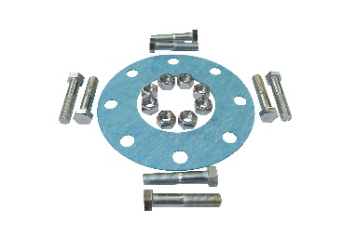

 | FI7905 | $28.33 | $18.41 |  | $0.00 | 3" | Bolt and Gasket set, 4 x 2-3/4" long bolts
 | FI8905 | $46.86 | $30.46 |  | $0.00 | 4" | Bolt and Gasket set, 8 x 3" long bolts
 | FI9905 | $57.76 | $37.54 |  | $0.00 | 6" | Bolt and Gasket set, 8 x 3-1/4" long bolts

 | WALL OUTLETS (ON WALL)
 | F1024 | $35.49 | $23.07 |  | $0.00 | 3/4" | Wall Outlet, ¾” Inlet, (4) ½” fem npt outlets
 | F2024 | $35.99 | $23.39 |  | $0.00 | 1" | Wall Outlet, 1” Inlet, (4) ½” fem npt outlets

 | F1024V | $59.49 | $38.67 | 63 | $2,436.21 | 3/4" | Wall Outlet w/shutoff, ¾” Inlet, (4) ½” fem npt outlets
 | F2024V | $59.99 | $38.99 |  | $0.00 | 1" | Wall Outlet w/shutoff, 1” Inlet, (4) ½” fem npt outlets

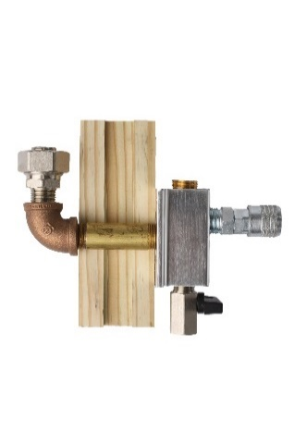
 | THRU WALL OUTLETS

 | F1024W | $46.86 | $30.46 |  | $0.00 | 3/4" | Outside or Thru Wall Outlet, (1) 1/2" fem npt outlet
 | F2024W | $51.22 | $33.29 |  | $0.00 | 1" | Outside or Thru Wall Outlet, (1) 1/2" fem npt outlet

 | QUICK COUPLERS-Industrial Style Profile
 | K7220 | $8.95 | $5.82 |  | $0.00 |  | 1/4" Female NPT Safety Quick Coupler 30 CFM TYPE M
 | K7221 | $8.99 | $5.84 |  | $0.00 |  | 1/4" Male NPT Safety Quick Coupler 30 CFM TYPE M
 | K7241 | $9.99 | $6.49 |  | $0.00 |  | 1/2" Male NPT Safety Quick Coupler 30 CFM TYPE M
 | K5226 | $4.99 | $3.24 |  | $0.00 |  | Quick Coupler Plug Pack,, 1/4 npt (3) Male and (3) Female 30CFM M

 | K9241 | $17.99 | $11.69 |  | $0.00 |  | 1/2" Male NPT Safety Quick Coupler 70 CFM TYPE H
 | 50715 | $2.15 | $1.40 |  | $0.00 |  | 1/2 male to 3/8 female Hex Reducing Bushing
 | 50716 | $2.97 | $1.93 |  | $0.00 |  | 1/2 male to 1/4 female Hex Reducing Bushing
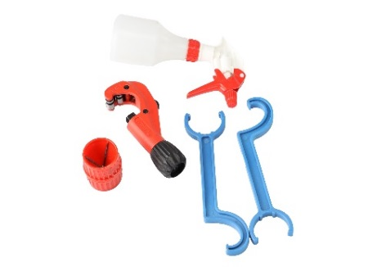
 | INSTALLATION TOOLS
 | F0136 | $57.76 | $37.54 |  | $0.00 | 3/4" | Tool kit: spanners,deburr, cutter, spray bottle
 | F0137 | $59.94 | $38.96 |  | $0.00 | 1" | Tool kit: spanners,deburr, cutter, spray bottle
 | F0138 | $163.49 | $106.27 |  | $0.00 | 1 1/2" | Tool kit: spanners,deburr, cutter, spray bottle
 | F0145 | $217.99 | $141.69 | 1 | $141.69 | 2" | Tool kit: spanners,deburr, cutter, spray bottle
 | FI0146 | $544.99 | $354.24 | 1 | $354.24 | 3" | Tool kit: spanners,deburr, cutter, spray bottle
 | F1020 | $5.44 | $3.54 | 2 | $7.08 | 3/4" | Spanner wrench, 2 required
 | F2020 | $6.53 | $4.24 | 2 | $8.48 | 1" | Spanner wrench, 2 required
 | F4020 | $10.89 | $7.08 |  | $0.00 | 1 1/2" | Spanner wrench, 2 required
 | F5020 | $49.04 | $31.88 |  | $0.00 | 2" | Spanner wrench, 2 required
 | FI7020 | $76.29 | $49.59 |  | $0.00 | 3" | Spanner wrench, 2 required
` | F0142 | $18.52 | $12.04 |  | $0.00 |  | Pipe Deburring Tool 3/4" and 1"
 | F0141 | $86.99 | $56.54 |  | $0.00 |  | Pipe Deburring Tool 3/4" THRU 2"
 | FI0153 | $349.99 | $227.49 |  | $0.00 |  | Pipe Deburring Tool 3" elect drill required
 | F0140 | $37.05 | $24.08 |  | $0.00 |  | Pipe Cutter 3/4" thru 2"
 | FI0148 | $189.99 | $123.49 |  | $0.00 |  | Pipe Cutter 2" thru 3"
 | F0139 | $9.80 | $6.37 |  | $0.00 |  | Spray bottle
 | F0043 | $21.79 | $14.16 |  | $0.00 |  | Saddle drop drill bit - 1" main pipe (9/16 diam)
 | F0044 | $21.79 | $14.16 |  | $0.00 |  | Saddle drop drill bit - 1-1/2", 2", 3" main pipe (3/4 diam)
 | F0045 | $21.79 | $14.16 |  | $0.00 |  | Saddle drop drill bit - 4", 6" main pipe (15/16" diam)

 | FI0149 | $299.99 | $194.99 |  | $0.00 |  | Manual Pipe Cutter 4" thru 6"

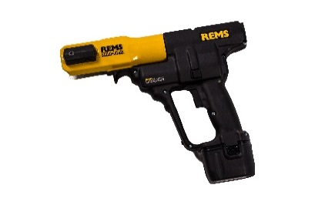
 | FI0154 | $399.99 | $259.99 |  | $0.00 | 4" | Pipe Deburring Tool / Pipe Marker 4" elect drill required
 | FI0155 | $599.99 | $389.99 |  | $0.00 | 6" | Pipe Deburring Tool / Pipe Marker 6" elect drill required

 | FI9020 | $2,179.99 | $1,416.99 |  | $0.00 |  | Rems Akku Press Cordless Lugging Tool

 | FI9021 | $980.99 | $637.64 |  | $0.00 |  | LugTool Jaw Set , 4" and 6" jaw set

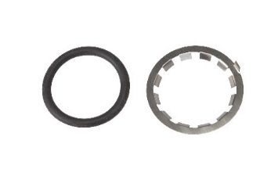
 | SPARE PARTS
 | F1076 | $2.99 | $1.94 |  | $0.00 | 3/4" | inner parts set oring and ss bite ring
 | F2076 | $2.99 | $1.94 |  | $0.00 | 1" | inner parts set oring and ss bite ring
 | F4076 | $4.35 | $2.83 |  | $0.00 | 1 1/2" | inner parts set oring and ss bite ring
 | F5076 | $5.44 | $3.54 |  | $0.00 | 2" | inner parts set oring and ss bite ring
 | FI7076 | $8.71 | $5.66 |  | $0.00 | 3" | inner parts set oring and ss bite ring
 | FI8076 | $43.59 | $28.33 |  | $0.00 | 4" | inner parts seal
 | FI9076 | $65.39 | $42.50 |  | $0.00 | 6" | inner parts seal
 | F2210C | $2.17 | $1.41 |  | $0.00 | 1" | Saddle drop gasket
 | F4210C | $2.17 | $1.41 |  | $0.00 | 1-1/2" | Saddle drop gasket
 | F5210C | $2.17 | $1.41 |  | $0.00 | 2" | Saddle drop gasket
 | FI7210C | $2.17 | $1.41 |  | $0.00 | 3" | Saddle drop gasket
 | MAXLINE FLEXIBLE SYSTEM
 | M6026 | $84.99 | $55.24 |  | $0.00 | 1/2" | 1/2" MAXLINE TUBING 100FT ROLL
 | M6027 | $239.99 | $155.99 |  | $0.00 | 1/2" | 1/2" MAXLINE TUBING 300FT ROLL
 | M6030 | $174.99 | $113.74 |  | $0.00 | 3/4" | 3/4" MAXLINE TUBING 100FT ROLL
 | M6031 | $439.99 | $285.99 |  | $0.00 | 3/4" | 3/4" MAXLINE TUBING 300FT ROLL
 |  | $0.00 | $0.00 |  | $0.00 |  | 0
 | M8002 | $7.62 | $4.95 |  | $0.00 | 1/2" | 1/2" MAXLINE X 1/2" MALE NPT STRAIGHT FITTING
 | M8005 | $15.58 | $10.13 |  | $0.00 | 3/4" | 3/4" MAXLINE X 1/2" MALE NPT FITTING
 | M8003 | $16.78 | $10.91 |  | $0.00 | 3/4" | 3/4" MAXLINE X 3/4" MALE NPT FITTING
 |  | $0.00 | $0.00 |  | $0.00 |  | 0
 | M8064 | $10.89 | $7.08 |  | $0.00 | 1/2" | 1/2" PIPE CLIP MAXLINE 10/PACK
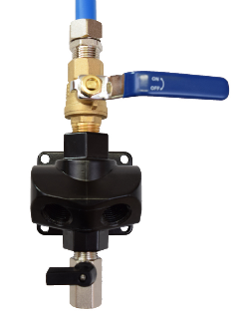
 | M8065 | $17.43 | $11.33 |  | $0.00 | 3/4" | 3/4" PIPE CLIP MAXLINE 10/PACK
 |  | $0.00 | $0.00 |  | $0.00 |  | 0
 | M8010 | $13.07 | $8.50 |  | $0.00 | 1/2" | 1/2" EQUAL TEE MAXLINE
 | M8011 | $23.97 | $15.58 |  | $0.00 | 3/4" | 3/4" EQUAL TEE MAXLINE
 | M8019 | $13.07 | $8.50 |  | $0.00 | 1/2" | 1/2" REDUCING TEE X 1/2" FEMALE NPT MAXLINE
 | M8078 | $20.70 | $13.46 |  | $0.00 | 3/4" | 3/4" REDUCING TEE, 1/2" FEMALE NPT DROP LEG MAXLINE
 |  | $0.00 | $0.00 |  | $0.00 |  | 0
 | M8200V | $50.81 | $33.03 |  | $0.00 | 1/2" | 1/2" DUAL PORT OUTLET W/ SHUTOFF
 | M8201V | $57.76 | $37.54 |  | $0.00 | 3/4" | 3/4" DUAL PORT OUTLET W/ SHUTOFF
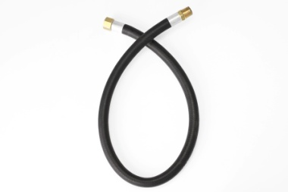
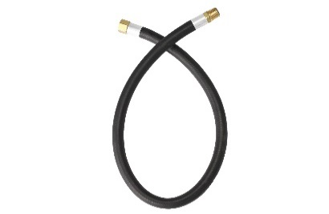
 | HOSES-RUBBER-CRIMPED
 | F0212 | $29.42 | $19.12 |  | $0.00 | 1/2" | Jumper Hose Rubber 1/2" npt Male x Fem x 2 FT
 | F0213 | $31.60 | $20.54 |  | $0.00 | 1/2" | Jumper Hose Rubber 1/2" npt Male x Fem x 3 FT
 | F0214 | $34.87 | $22.67 |  | $0.00 | 3/4" | Jumper Hose Rubber 3/4" npt Male x Fem x 2 FT
 | F0215 | $43.59 | $28.33 |  | $0.00 | 3/4" | Jumper Hose Rubber 3/4" npt Male x Fem x 3 FT
 | F0221 | $46.86 | $30.46 |  | $0.00 | 3/4" | Jumper Hose Rubber 3/4" npt Male x Fem x 5 FT
 | F0216 | $65.39 | $42.50 |  | $0.00 | 1" | Jumper Hose Rubber 1" npt Male x Fem x 2 FT
 | F0217 | $71.93 | $46.75 |  | $0.00 | 1" | Jumper Hose Rubber 1" npt Male x Fem x 3 FT
 | HOSES- RUBBER-PUSH ON
 | F0238-160 | $217.99 | $141.69 |  | $0.00 | 3/8" | 3/8" Push on Hose, 160' Roll
 | F0238-FT | $2.07 | $1.35 |  | $0.00 | 3/8" | 3/8" Push on Hose, sold by the foot
 | F0240 | $2.41 | $1.57 |  | $0.00 | 3/8" | 3/8" Push on Hose Fitting x 1/4" Male npt
 | F0241 | $3.01 | $1.96 |  | $0.00 | 3/8" | 3/8" Push on Hose Fitting x 3/8" Male npt
 | F0242 | $3.62 | $2.35 |  | $0.00 | 3/8" | 3/8" Push on Hose Fitting x 1/2" Male npt
 | F0243 | $3.01 | $1.96 |  | $0.00 | 3/8" | 3/8" Push on Hose Fitting x 1/4" Female swivel npt
 | F0244 | $4.36 | $2.83 |  | $0.00 | 3/8" | 3/8" Push on Hose Fitting x 1/2" Female swivel npt
 | F0250-160 | $272.49 | $177.12 |  | $0.00 | 1/2" | 1/2" Push on Hose, 160' Roll
 | F0250-FT | $2.50 | $1.63 |  | $0.00 | 1/2" | 1/2" Push on Hose, sold by the foot
 | F0251 | $4.22 | $2.74 |  | $0.00 | 1/2" | 1/2" Push on Hose Fitting x 1/2" Male npt
 | F0252 | $6.04 | $3.93 |  | $0.00 | 1/2" | 1/2" Push on Hose Fitting x 1/2" Female swivel npt
 | F0239 | $10.88 | $7.07 |  | $0.00 | 3/8" | 3/8 Hose Strain Relief
 | F0259 | $12.09 | $7.86 |  | $0.00 | 1/2" | 1/2 Hose Strain Relief
 | HOSES-STAINLESS BRAIDED-NPT
 | F0225 | $115.53 | $75.09 |  | $0.00 | 1 1/2" | Jumper Hose Braided SS 1-1/2 " npt Male x Fem x 18"
 | F0226 | $163.49 | $106.27 |  | $0.00 | 1 1/2" | Jumper Hose Braided SS 1-1/2 " npt Male x Fem x 36"
 | F0227 | $196.19 | $127.52 |  | $0.00 | 2" | Jumper Hose Braided SS 2 " npt Male x Fem x 36"
 | F0228 | $381.49 | $247.97 |  | $0.00 | 3" | Jumper Hose Braided SS 3" npt Male x Fem x 36"
 | HOSES-STAINLESS BRAIDED-FLANGE

 | F0234 | $381.49 | $247.97 |  | $0.00 | 4" | Jumper Hose Braided SS 4" Flange X 36"
 | F0236 | $599.49 | $389.67 |  | $0.00 | 6" | Jumper Hose Braided SS 6" Flange X 36"

 | FILTER-REGULATORS
 | K93215 | $47.99 | $31.19 |  | $0.00 | 3/8" | 3/8" FILTER REGULATOR UNIT WITH GAUGE, 3/8" NPT PORTS
 | K93216 | $69.99 | $45.49 |  | $0.00 | 1/2" | 1/2" FILTER REGULATOR UNIT WITH GAUGE, 1/2" NPT PORTS
 | K93217 | $89.99 | $58.49 |  | $0.00 | 3/4" | 3/4" FILTER REGULATOR UNIT WITH GAUGE, 3/4" NPT PORTS
 | K93218 | $99.95 | $64.97 |  | $0.00 | 1" | 1" FILTER REGULATOR UNIT WITH GAUGE, 1" NPT PORTS
 |  | $0.00 | $0.00 |  | $0.00 |  | 0
 | K96050 | $99.99 | $64.99 |  | $0.00 | 1/2" | 1/2" VERTICAL FILTER REGULATOR UNIT
 | K96075 | $99.99 | $69.99 |  | $0.00 | 3/4" | 3/4" VERTICAL FILTER REGULATOR UNIT
 |  | $0.00 | $0.00 |  | $0.00 |  | 0
 | MASTER KITS
 | F28070 | $439.99 | $285.99 |  | $0.00 |  | 3/4" FASTPIPE MASTER KIT 90 FT, 3 OUTLETS
 | F28090 | $649.99 | $422.49 |  | $0.00 |  | 1" FASTPIPE MASTER KIT 90FT, 3 OUTLETS
 |  | $0.00 | $0.00 |  | $0.00 |  | 0
 | F28099 | $899.99 | $584.99 |  | $0.00 |  | 3/4" FASTPIPE MASTER KIT 235FT, 5 OUTLETS
 | F28235 | $1,099.99 | $714.99 |  | $0.00 |  | 1" FASTPIPE MASTER KIT 235FT, 5 OUTLETS
 |  | $0.00 | $0.00 |  | $0.00 |  | 0
 |  | $0.00 | $0.00 |  | $0.00 |  | 0
 | 90500 | $139.99 | $90.99 |  | $0.00 |  | RAPIDAIR MASTER KIT 100FT
 |  | $0.00 | $0.00 |  | $0.00 |  | 0
 | M3800 | $219.99 | $142.99 |  | $0.00 |  | 1/2" MAXLINE MASTER KIT 100 FT
 |  | $0.00 | $0.00 |  | $0.00 |  | 0
 | M7500 | $269.99 | $175.49 |  | $0.00 |  | 3/4" MAXLINE MASTER KIT COMPLETE 100FT
 | M7580 | $599.99 | $389.99 |  | $0.00 |  | 3/4" MAXLINE MASTER KIT 300 FT
 |  | $0.00 | $0.00 |  | $0.00 |  | 0
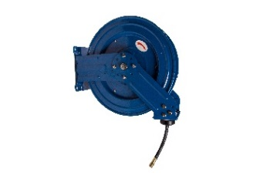
 | HOSE REELS

 | R-03050 | $174.99 | $113.74 |  | $0.00 | 3/8" | Hose Reel, 3/8 X 50 FT, 1/2" inlet X 1/4" outlet
 | R-03075 | $229.99 | $149.49 |  | $0.00 | 3/8" | Hose Reel, 3/8 X 75 FT, 1/2" inlet X 1/4" outlet
 | R-05050 | $219.99 | $142.99 |  | $0.00 | 1/2" | Hose Reel, 1/2 X 50 FT, 1/2" inlet X 1/2" NPT outlet
 | R-05100 | $429.99 | $279.49 |  | $0.00 | 1/2" | Hose Reel, 1/2 X 100 FT, 1/2" inlet X 1/2" NPT outlet
 | 50616 | $4.16 | $2.70 |  | $0.00 | 1/2" | 1/2" NPT Hex Nipple (28-214L) Brass
 | 50700 | $9.99 | $6.49 |  | $0.00 |  | (1) Can Pipe Sealant, (1) roll of Teflon Tape, for pipe threads
SHIPPING |  | $2,730.74 | $1,774.98 | 1 | $1,774.98 |  | SHIPPING -ship rate based on fully commercial delivery/semi access, no added services-rates subject to change
 |  | LIST |  |  | COST
 |  | $60,484.23 |  |  | $39,314.91 |  | Purchases made for these goods subject to Terms & Conditions of Sale/Limited Warranty found @ rapidairproducts.com QUOTE GOOD FOR 30 DAYS. Applicable sales tax added at time of purchase
 | WEIGHTS LBS
PIPE(7') | 0.000
PIPE(20') | 3834.800
THREADED ROD | 0.000
FITTINGS | 1155.350
TOTAL | 4990.150
Quoted Carrier

